CLP Elec Sale
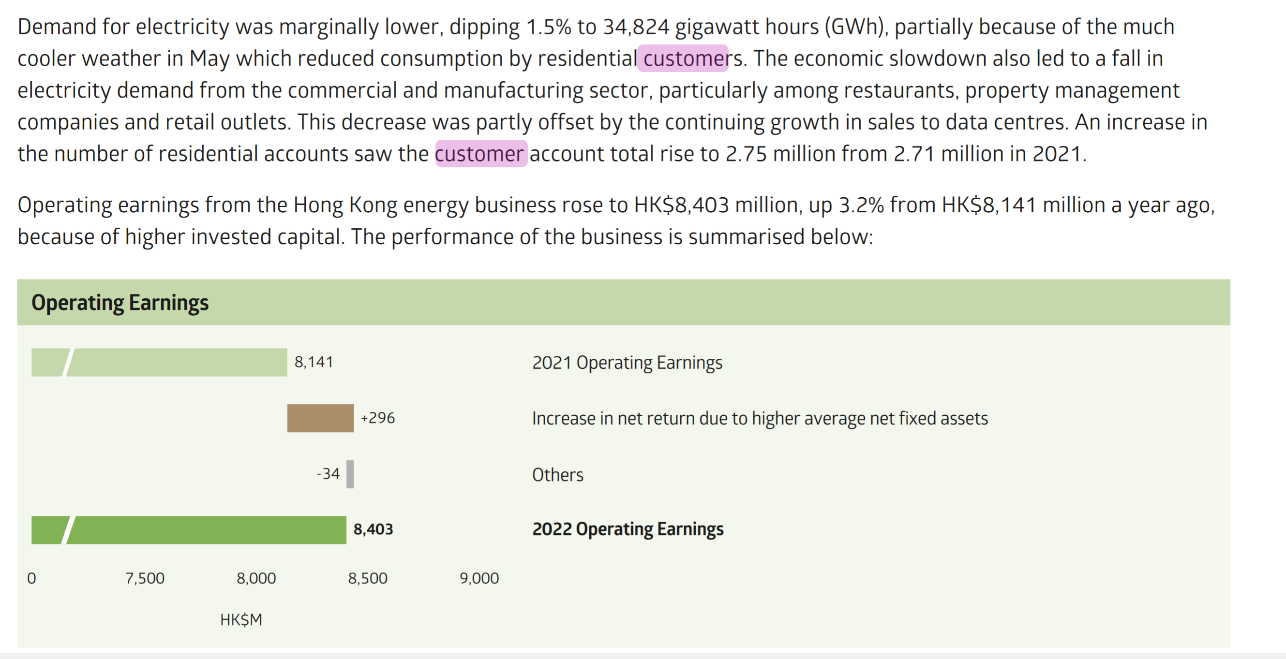
CLP's Electricity Sale in HK
Electricity Sales |  |  |  |  |  | Source: CLP Annual Report 2022
Electricity Sale (GWh) | 2022 | 2018 | 2017 | Change |  | https://www.clpgroup.com/content/dam/clp-group/channels/investor/document/3-3-financial-reports/2022/e_2022Annual%20Report.pdf
Residential | 10113 | 9,191 | 9,217 | 1003.2%
Commercial | 13233 | 13,425 | 13,220 | -143.0%
Manufacturing | 1615 | 1,704 | 1,740 | -522.3%
Infrastructure & Public Services | 9863 | 9,342 | 8,987 | 557.7%
Total Local Sales | 34824 | 33,662 | 33,164 | 345.2%
Export Sales | 0 | 556 | 1,341 | -10000.0%
Total Sales | 34824 | 34,218 | 34,505 | 177.1%

输电配电系统Transmission & Distribution Network |  |  | 2022资产表现数据 2022 Asset Performance Statistics
营运Operation |  | Unit | 2022 | 2021 | 2020 | 2018 | 2017 | 2016 | https://www.clpgroup.com/content/dam/clp-group/channels/sustainability/document/sustainability-report/2022/SR2022_APS.pdf.coredownload.pdf
輸電及供電流失Transmission & distribution loss |  | GWh百万度 | 1201 | 1286 | 1205 | 1262 | 1321 | 1365
輸電及供電流失Transmission & distribution loss |  | % | 3.30% | 3.50% | 3.40% | 3.60% | 3.80% | 3.90%
營運地點耗電量Electricity used onsite |  | GWh百万度 | 17 | 17 | 17 | 17 | 18 | 18

Monthly analysis of electricity sales
Oct-23 |  | Millions of kWh | Percentage change overprevious year (%) |  | Source | http://www.clpgroup.com/content/dam/clp-group/channels/media/document/embedded_pdfs_en/2022AR_highlights_en.pdf
Local total |  | 3,482.40 | -1.5 |  | NOTE: Electricity sales decreased from 2021's (35,355GWh)
Sales to the Mainland |  | 0 | -100
System total |  | 3,482.40 | -1.5

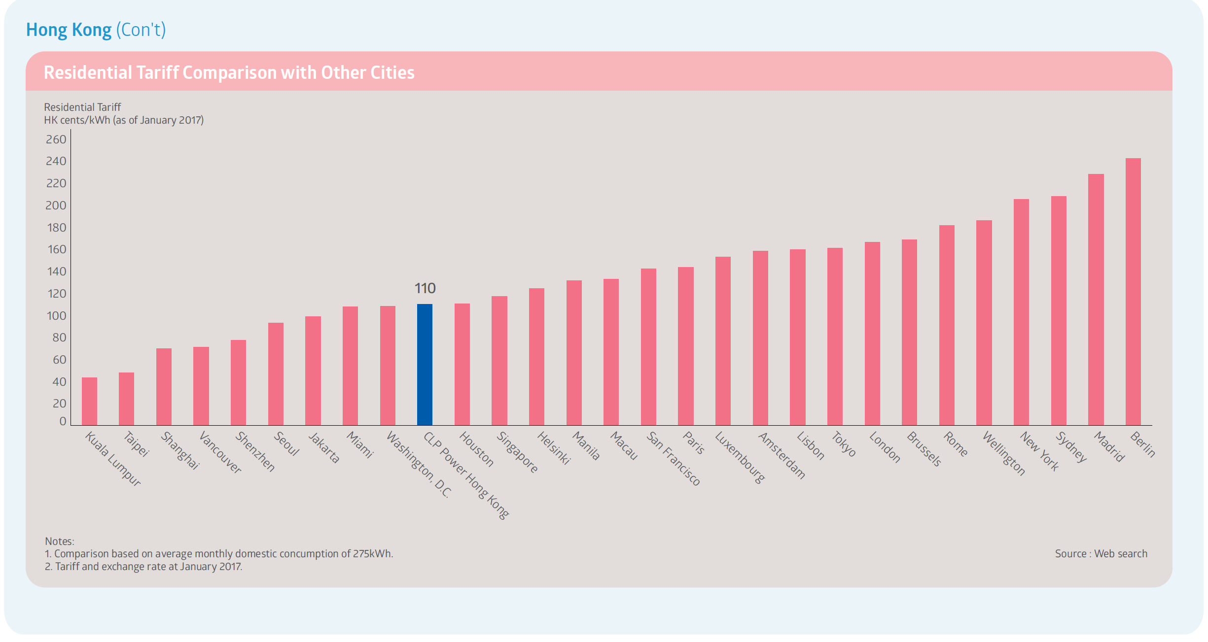
Hong Kong's Tariff |  |  |  |  |  | Source: CLP 2016 SR
 |  |  |  |  |  | https://www.clpgroup.com/en/sustainability/sustainability-reports

Electricity Sale Information |  |  |  |  |  | Source: 2022 Annual Report (see screenshot below)
Indicator |  | Unit
Customer No. in HK |  | Million | 2.75
Increase in 2021 electricity sales 2021售电量上升 |  | - | 1.45%

